accenture
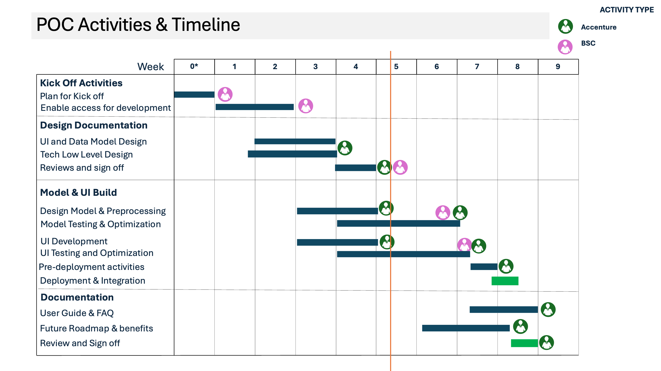
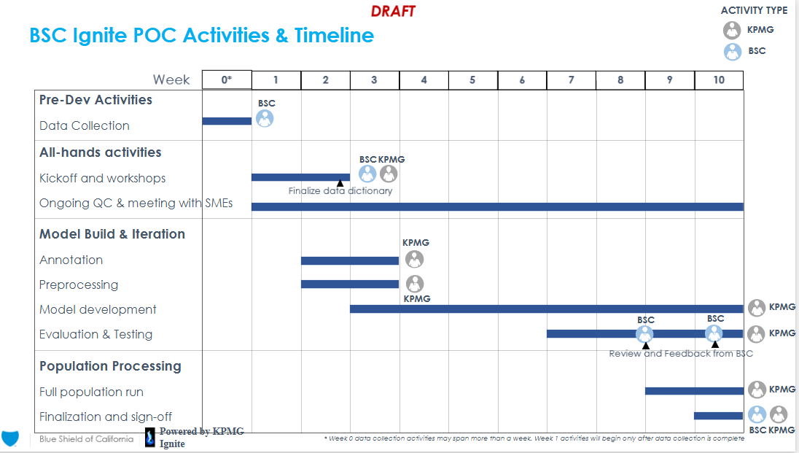

Pre-Dev Activities |  | Role
Discovery & Design | Review the data | Driver
 | Identify the stakeholders | Lt Driver
 | Document high level requirements - group products | Product Manager - Jason?
 | Document high level requirements - formulary | Scrum Master - was nidhi but is it tami
Design | Data Model low level requirements - group products incl. ground truths | Product Owner/BSA - Jason?
 | Data Model low level requirements - formulary incl ground truths | Dev
 | Training Data Use Cases/Queries |  | Eng
 | Test data Use Cases/Queries |  | Data Scientist
 | UI Enhancement Detailed Requirements |  | Prompt eng?
 | Reporting Enhancements, if needed
 | Dynamic Reinforcement Learning Requirements
Build & Iterate | Model Enhancements
 | Model Annotation/Ground Truth Evaluation
 | Perform Human Validatoin Testing
 | UI Enhancement Testing
 | Reporting Enhancements
 | Model Reinforcement Learning
Pre Deployment Activities | Biz Readiness & Change Mgmt
 | Reporting Ready
 | Provisioning
 | Hypercare & Run Responsibilities Defined
 | Steady State / Run Activities including refresh process
 | Signoff
Deployment Activities | Limited Prod
 | Full Prod
 | Hypercare Period Closes
 | Steady State Handoff
 | Adoption Monitoring
 | Refresh Process Stood Up with controls
Admin | weekly project updates
 | kickoff, mid-point, demo, and final meetings
 | risk escalation for decisioning

